Sheet1
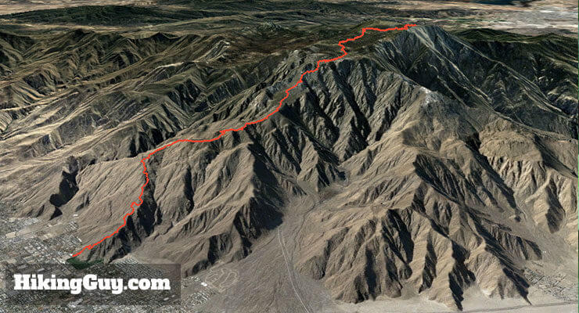
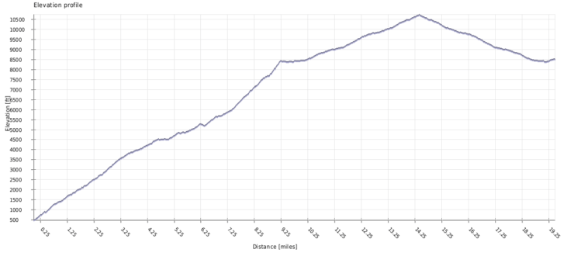
Landmark | Dist | Elev. | ETA | Activity | Plan
Palm Springs Art Museum Trailhead | 0 | 470 | 0200 | Begin | Start at 0200 Sharp!
Picnic Tables | 0.8 | 1340 | 0220 | Hike | Thru Hike -Tables for reference
Rescue Box 1 | 2.6 | 2340 | 0305 | Break (5) | Health Check. Point of no return. Snack
4,300 ft Rocks | 5.1 | 4400 | 0410 | Break (15) | 2nd Food Stop, push for daylight lunch
Rescue Box 2 | 7.4 | 5400 | 0520 | Break (5) | Snack, Regroup
Flat Rock | 8.4 | 5900 | 0550 | Hike | Thru hike
Start of Traverse | 9.5 | 7400 | 0620 | Break (30) | Breakfast/Lunch. Mandatory 30 min, feet up
Grubb’s Notch – Ent. To Long Valley | 10.5 | 8400 | 0820 | Hike | Thru Hike - Ranger station is very close
Long Valley Ranger Station | 10.8 | 8400 | 0825 | Break (10) | Permits and re-fill H20
Round Valley Campground | 12.3 | 9400 | 0910 | Hike | Thru Hike
Wellman Divide | 13.1 | 9700 | 0930 | Break (5) | Snack, Regroup
San Jacinto Peak | 16 | 10834 | 1045 | Break (15) | Summit time
Tram Station | 21 | 8400 | 1300 | Party! | We did it!
 |  |  |  |  |  | dist | delta | Time (hr) | Time (min)
 |  |  |  |  |  | 0
 |  |  |  |  |  | 0.8 | 0.8 | 0.32 | 19.2
 |  |  |  |  |  | 2.6 | 1.8 | 0.72 | 43.2
 | Number | 0.55 |  |  |  | 5.1 | 2.5 | 1 | 60
 | 33 |  |  |  |  | 7.4 | 2.3 | 0.92 | 55.2
 |  |  |  |  |  | 8.4 | 1 | 0.4 | 24
 |  |  |  |  |  | 9.5 | 1.1 | 0.44 | 26.4
 |  |  |  |  |  | 10.5 | 1 | 0.4 | 24
 |  |  |  |  |  | 10.8 | 0.3 | 0.12 | 7.2
 |  |  |  |  |  | 12.3 | 1.5 | 0.6 | 36
 |  |  |  |  |  | 13.1 | 0.8 | 0.32 | 19.2
 |  |  |  |  |  | 16 | 2.9 | 1.16 | 69.6
 |  |  |  |  |  | 21 | 5 | 2 | 120

Sheet2
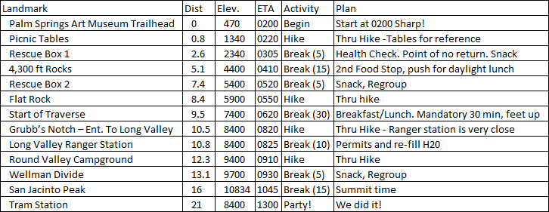
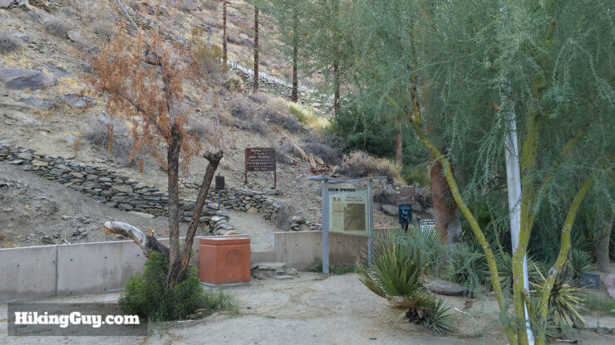
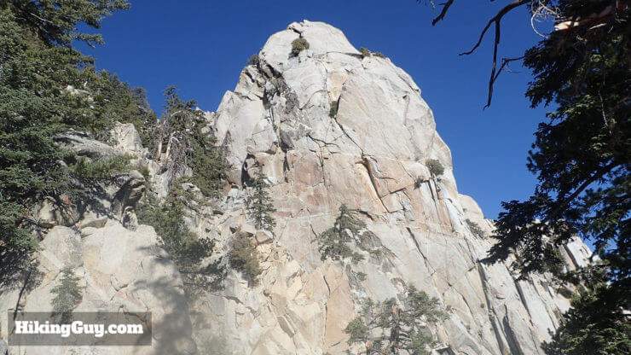
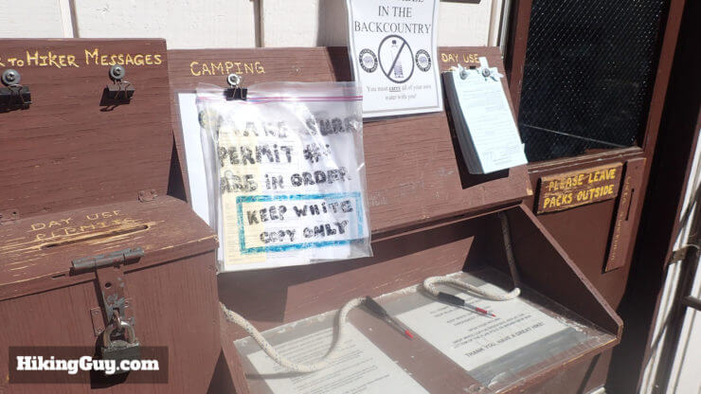

 |  |  | 0 mi | 470' | 0200 | 10.5 mi | 8400' | 0820 | 10.8 mi | 8400' | 0825
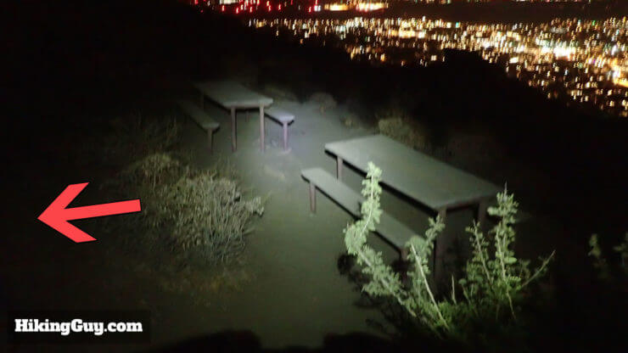
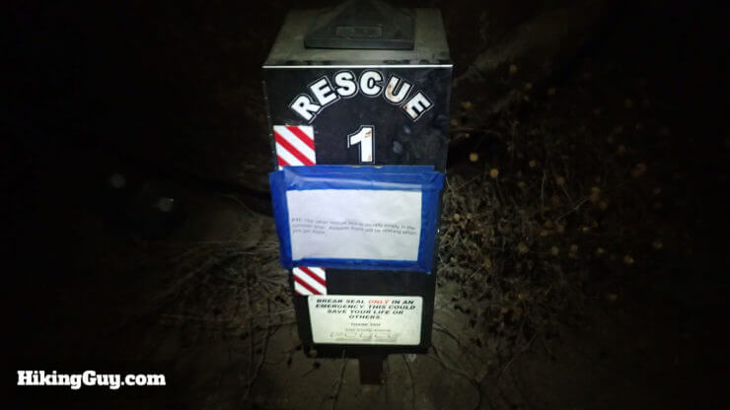
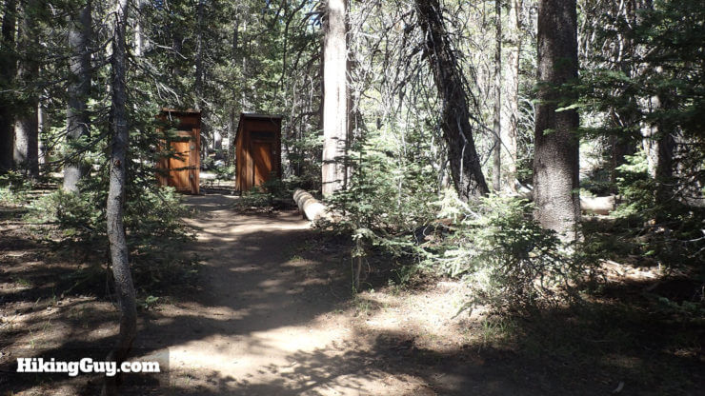
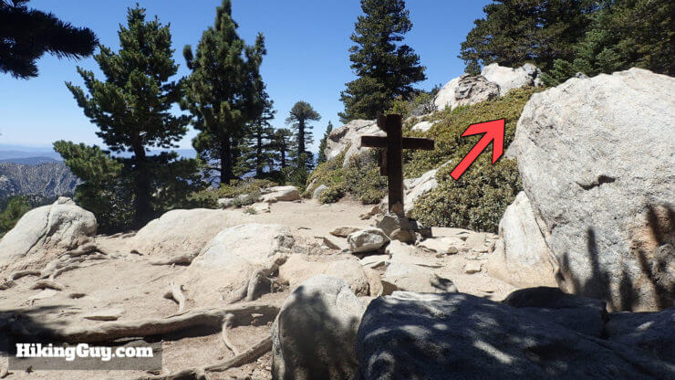

0.8 mi | 1340' | 0220 | 2.6 mi | 2340' | 0305 | 12.3 mi | 9400' | 0930 | 13.1 mi | 9700' | 0930
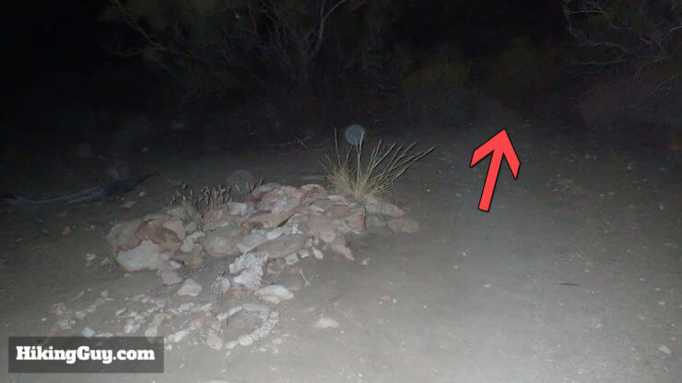
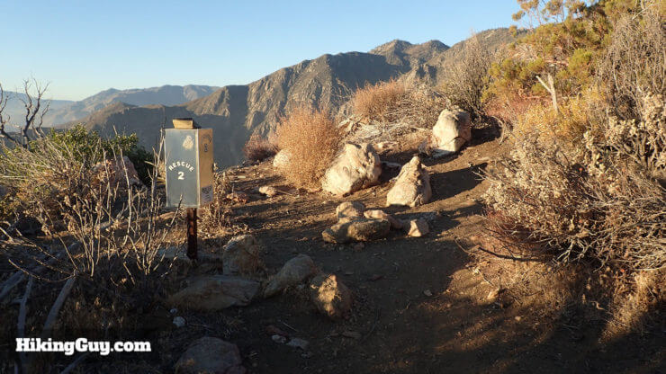
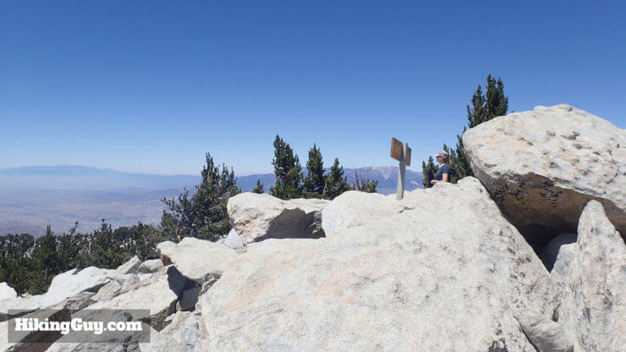
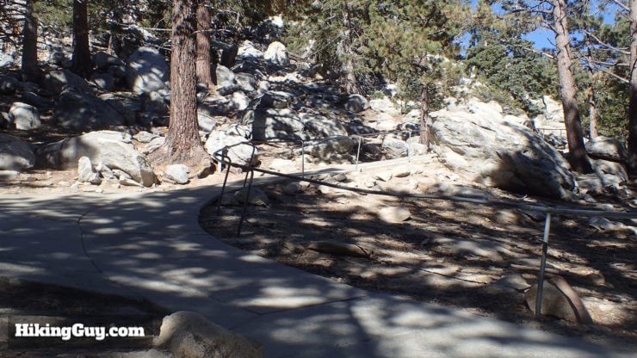

5.1 mi | 4400' | 0410 | 7.4 mi | 5400' | 0520 | 16 mi | 10834' | 1045 | 21 mi | 8400' | 1300
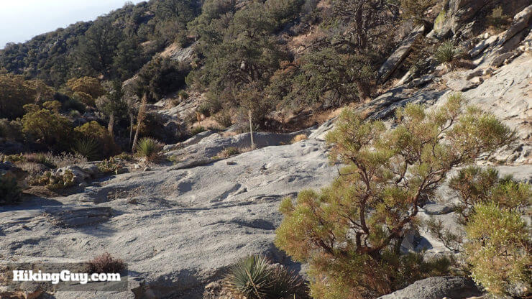

 |  |  | No Image of Traverse Start

8.4 mi | 5900' | 0550 | 9.5 mi | 7400' | 0620

